BP_TC_001
STEP | PROCESS | BP_TC_001
1 | Manage Business Partner
2 | Edit Business Partner Create Bank Account
3 | Import Lockbox File |  | 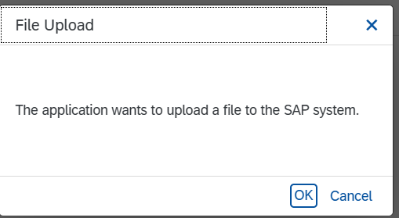 | 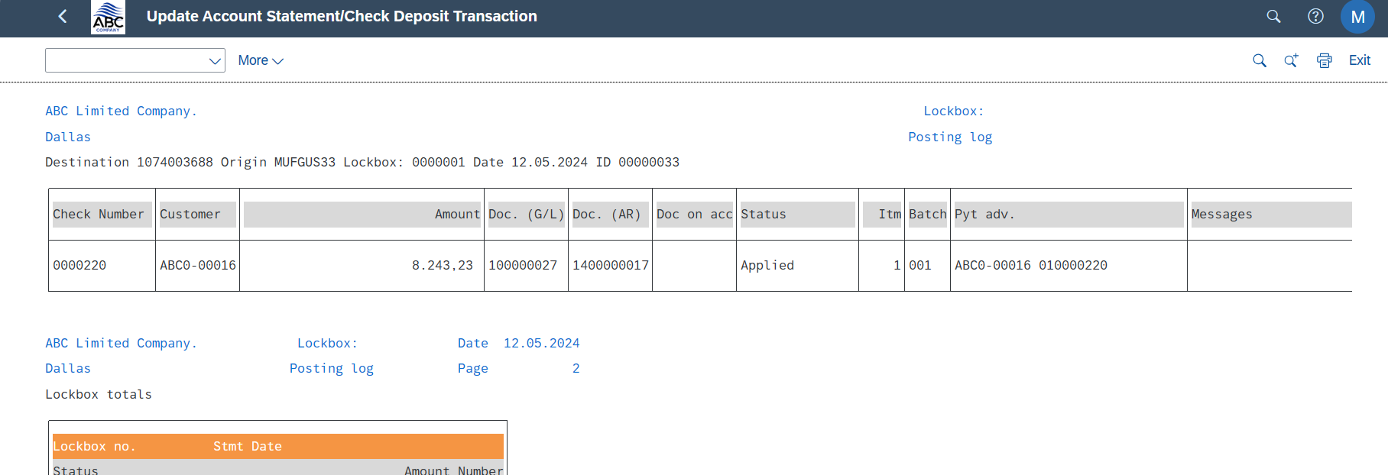
4 | Manage Locbox Batches | 